Data
DTXSID0042169-10uM - Human
 |  |  | Deleted Points
120 | 1.9565878098 | 30 | 5.137
120 | 1.1992253582 | 30 | 1.68
120 | 1.975795642 | 30 | 0
60 | 3.3244462988
60 | 3.7411685433
60 | 3.2791098589
15 | 4.1229641804
15 | 4.5365811765
15 | 4.5400084705
0 | 4.605170186
0 | 4.605170186
0 | 4.605170186
SampleName | CompoundName | Transition | Area | ISTD Area | ISTDResponseRatio | % Remaining | Time (mins) | ln % Remaining | Chart | Table
Blank_Human___1_____5P1_Inj 2021Feb19_EPA_5 | DTXSID0042169-10uM | 278.988 > 78.627 | 6.618 | 138545.094 | 0.0000478 |  |  |  | DTXSID0042169-10uM - Human | Time (Mins) | % Remaining Replica 1 | % Remaining Replica 2 | % Remaining Replica 3 | Average
Blank_Human___2_____5P1_Inj 2021Feb19_EPA_6 | DTXSID0042169-10uM | 278.988 > 78.627 | 2.56 | 97930.813 | 0.0000261 |  |  |  | Time (Mins) | 120 | 7.08% | 3.32% | 7.21% | 5.87%
DTXSID0042169-10uM_Human__120_1_____5P1_Inj 2021Feb19_EPA_629 | DTXSID0042169-10uM | 278.988 > 78.627 | 368.241 | 45478.281 | 0.0081 | 7.0751440928 | 120 | 1.9565878098 | ln Percent Remaining | 60 | 27.8% | 42.1% | 26.6% | 32.2%
DTXSID0042169-10uM_Human__120_2_____5P1_Inj 2021Feb19_EPA_630 | DTXSID0042169-10uM | 278.988 > 78.627 | 132.126 | 39613.039 | 0.00334 | 3.3175460173 | 120 | 1.1992253582 |  | 30 | 170.20% | 5.37% | -0.03%
DTXSID0042169-10uM_Human__120_3_____5P1_Inj 2021Feb19_EPA_631 | DTXSID0042169-10uM | 278.988 > 78.627 | 399.529 | 49669.125 | 0.00804 | 7.2123558248 | 120 | 1.975795642 |  | 15 | 61.7% | 93.37% | 93.7% | 82.9%
DTXSID0042169-10uM_Human__60_1_____5P2_Inj 2021Feb19_EPA_632 | DTXSID0042169-10uM | 278.988 > 78.627 | 1287.711 | 40581.563 | 0.0317 | 27.783610565 | 60 | 3.3244462988 |  | 0 | 100% | 100% | 100% | 100%
DTXSID0042169-10uM_Human__60_2_____5P2_Inj 2021Feb19_EPA_633 | DTXSID0042169-10uM | 278.988 > 78.627 | 1544.996 | 36801.848 | 0.042 | 42.147212244 | 60 | 3.7411685433
DTXSID0042169-10uM_Human__60_3_____5P2_Inj 2021Feb19_EPA_634 | DTXSID0042169-10uM | 278.988 > 78.627 | 1247.889 | 42271.41 | 0.0295 | 26.552127037 | 60 | 3.2791098589 |  | Slope | -0.0244
DTXSID0042169-10uM_Human__30_1_____5P3_Inj 2021Feb19_EPA_635 | DTXSID0042169-10uM | 278.988 > 78.627 | 36.791 | 189.313 | 0.194 | 170.19819143 | 30 | 5.137 |  | Intercept | 4.73
DTXSID0042169-10uM_Human__30_2_____5P3_Inj 2021Feb19_EPA_636 | DTXSID0042169-10uM | 278.988 > 78.627 | 0.126 | 23.427 | 0.00538 | 5.366498917 | 30 | 1.680 |  | R2 | 0.950
DTXSID0042169-10uM_Human__30_3_____5P3_Inj 2021Feb19_EPA_637 | DTXSID0042169-10uM | 278.988 > 78.627 | 0.19 |  |  | -0.03329937308 | 30 |  |  | T½ (mins) | 28.5
DTXSID0042169-10uM_Human__15_1_____5P4_Inj 2021Feb19_EPA_638 | DTXSID0042169-10uM | 278.988 > 78.627 | 2842.584 | 40399.02 | 0.0704 | 61.74198567 | 15 | 4.1229641804 |  | CLint (µl/min/106 cells) | 48.7
DTXSID0042169-10uM_Human__15_2_____5P4_Inj 2021Feb19_EPA_639 | DTXSID0042169-10uM | 278.988 > 78.627 | 3916.169 | 42059.152 | 0.093 | 93.371034736 | 15 | 4.5365811765 |  | Comments | Points Deleted: (30,5.1370) (30,1.6800) (30,)
DTXSID0042169-10uM_Human__15_3_____5P4_Inj 2021Feb19_EPA_640 | DTXSID0042169-10uM | 278.988 > 78.627 | 3822.525 | 36696.363 | 0.104 | 93.691593733 | 15 | 4.5400084705
DTXSID0042169-10uM_Human__0_1_____5P5_Inj 2021Feb19_EPA_641 | DTXSID0042169-10uM | 278.988 > 78.627 | 4771.137 | 41960 | 0.114 | 100 | 0 | 4.605170186
DTXSID0042169-10uM_Human__0_2_____5P5_Inj 2021Feb19_EPA_642 | DTXSID0042169-10uM | 278.988 > 78.627 | 4649.563 | 46688.754 | 0.0996 | 100 | 0 | 4.605170186
DTXSID0042169-10uM_Human__0_3_____5P5_Inj 2021Feb19_EPA_643 | DTXSID0042169-10uM | 278.988 > 78.627 | 5110.136 | 46106.211 | 0.111 | 100 | 0 | 4.605170186

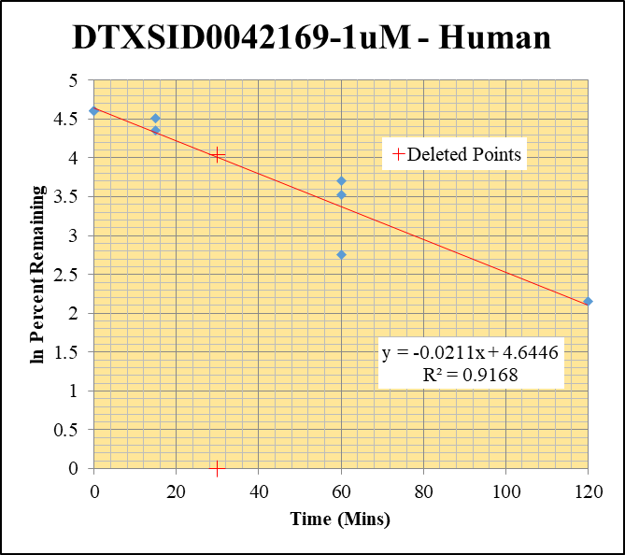
Blank_Human___1_____5P1_Inj 2021Feb19_EPA_5 | DTXSID0042169-1uM | 278.988 > 78.627 | 6.618 | 138545.094 | 0.0000478 |  |  |  | DTXSID0042169-1uM - Human | Time (Mins) | % Remaining Replica 1 | % Remaining Replica 2 | % Remaining Replica 3 | Average
Blank_Human___2_____5P1_Inj 2021Feb19_EPA_6 | DTXSID0042169-1uM | 278.988 > 78.627 | 2.56 | 97930.813 | 0.0000261 |  |  |  | Time (Mins) | 120 | 0.452% | 8.63% | 0.306% | 3.13%
DTXSID0042169-1uM_Human__120_1_____5P1_Inj 2021Feb19_EPA_609 | DTXSID0042169-1uM | 278.988 > 78.627 | 5.036 | 45844.855 | 0.00011 | 0.45195677796 | 120 | -0.79416872771 | ln Percent Remaining | 60 | 15.8% | 40.4% | 33.9% | 30.0%
DTXSID0042169-1uM_Human__120_2_____5P1_Inj 2021Feb19_EPA_610 | DTXSID0042169-1uM | 278.988 > 78.627 | 60.263 | 103533.047 | 0.000582 | 8.6337032021 | 120 | 2.1556735211 |  | 30 | 56.69% | -0.59% | -0.22%
DTXSID0042169-1uM_Human__120_3_____5P1_Inj 2021Feb19_EPA_611 | DTXSID0042169-1uM | 278.988 > 78.627 | 6.193 | 69977.305 | 0.0000885 | 0.30569796093 | 120 | -1.1851577203 |  | 15 | 91.3% | 78.3% | 10.1% | 59.9%
DTXSID0042169-1uM_Human__60_1_____5P2_Inj 2021Feb19_EPA_612 | DTXSID0042169-1uM | 278.988 > 78.627 | 97.578 | 37626.262 | 0.00259 | 15.79559551 | 60 | 2.7597311359 |  | 0 | 100% | 100% | 100% | 100%
DTXSID0042169-1uM_Human__60_2_____5P2_Inj 2021Feb19_EPA_613 | DTXSID0042169-1uM | 278.988 > 78.627 | 174.941 | 67442.75 | 0.00259 | 40.440832878 | 60 | 3.6998399893
DTXSID0042169-1uM_Human__60_3_____5P2_Inj 2021Feb19_EPA_614 | DTXSID0042169-1uM | 278.988 > 78.627 | 255.041 | 44366.039 | 0.00575 | 33.879102535 | 60 | 3.5227983799 |  | Slope | -0.0211
DTXSID0042169-1uM_Human__30_1_____5P3_Inj 2021Feb19_EPA_615 | DTXSID0042169-1uM | 278.988 > 78.627 | 2.748 | 298.599 | 0.0092 | 56.69134229 | 30 | 4.038 |  | Intercept | 4.64
DTXSID0042169-1uM_Human__30_2_____5P3_Inj 2021Feb19_EPA_616 | DTXSID0042169-1uM | 278.988 > 78.627 |  | 242.157 |  | -0.58529553861 | 30 |  |  | R2 | 0.917
DTXSID0042169-1uM_Human__30_3_____5P3_Inj 2021Feb19_EPA_617 | DTXSID0042169-1uM | 278.988 > 78.627 |  | 51.163 |  | -0.21911813106 | 30 |  |  | T½ (mins) | 32.8
DTXSID0042169-1uM_Human__15_1_____5P4_Inj 2021Feb19_EPA_618 | DTXSID0042169-1uM | 278.988 > 78.627 | 567.767 | 38272.172 | 0.0148 | 91.338268458 | 15 | 4.5145698505 |  | CLint (µl/min/106 cells) | 42.3
DTXSID0042169-1uM_Human__15_2_____5P4_Inj 2021Feb19_EPA_619 | DTXSID0042169-1uM | 278.988 > 78.627 | 200.14 | 40209.387 | 0.00498 | 78.29892049 | 15 | 4.3605338161 |  | Comments | Points Deleted: (30,4.0380) (30,) (30,)
DTXSID0042169-1uM_Human__15_3_____5P4_Inj 2021Feb19_EPA_620 | DTXSID0042169-1uM | 278.988 > 78.627 | 296.276 | 64015.563 | 0.00174 | 10.099299949 | 15 | 2.3124661094
DTXSID0042169-1uM_Human__0_1_____5P5_Inj 2021Feb19_EPA_621 | DTXSID0042169-1uM | 278.988 > 78.627 | 644.356 | 39826.93 | 0.0162 | 100 | 0 | 4.605170186
DTXSID0042169-1uM_Human__0_2_____5P5_Inj 2021Feb19_EPA_622 | DTXSID0042169-1uM | 278.988 > 78.627 | 254.411 | 40082.742 | 0.00635 | 100 | 0 | 4.605170186
DTXSID0042169-1uM_Human__0_3_____5P5_Inj 2021Feb19_EPA_623 | DTXSID0042169-1uM | 278.988 > 78.627 | 729.874 | 43238.465 | 0.0169 | 100 | 0 | 4.605170186

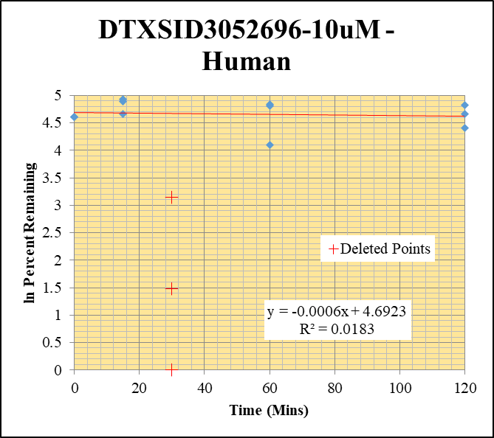
Blank_Human___1_____5P1_Inj 2021Feb19_EPA_5 | DTXSID3052696-10uM | 192.877 > 76.942 |  | 138545.094 | 0 |  |  |  | DTXSID3052696-10uM - Human | Time (Mins) | % Remaining Replica 1 | % Remaining Replica 2 | % Remaining Replica 3 | Average
Blank_Human___2_____5P1_Inj 2021Feb19_EPA_6 | DTXSID3052696-10uM | 192.877 > 76.942 | 2.682 | 97930.813 | 0.0000274 |  |  |  | Time (Mins) | 120 | 125% | 106% | 82.0% | 104%
DTXSID3052696-10uM_Human__120_1_____5P1_Inj 2021Feb19_EPA_149 | DTXSID3052696-10uM | 192.877 > 76.942 | 1258.889 | 107665.828 | 0.0117 | 124.90300653 | 120 | 4.8275374883 | ln Percent Remaining | 60 | 60.1% | 126% | 123% | 103%
DTXSID3052696-10uM_Human__120_2_____5P1_Inj 2021Feb19_EPA_150 | DTXSID3052696-10uM | 192.877 > 76.942 | 716.571 | 95103.555 | 0.00753 | 106.36825496 | 120 | 4.6669071767 |  | 30 | -0.15% | 4.39% | 23.26%
DTXSID3052696-10uM_Human__120_3_____5P1_Inj 2021Feb19_EPA_151 | DTXSID3052696-10uM | 192.877 > 76.942 | 806.56 | 97449.391 | 0.00828 | 81.955722118 | 120 | 4.4061791273 |  | 15 | 105% | 133% | 138% | 125%
DTXSID3052696-10uM_Human__60_1_____5P2_Inj 2021Feb19_EPA_152 | DTXSID3052696-10uM | 192.877 > 76.942 | 496.061 | 88009.523 | 0.00564 | 60.13381358 | 60 | 4.0965723053 |  | 0 | 100% | 100% | 100% | 100%
DTXSID3052696-10uM_Human__60_2_____5P2_Inj 2021Feb19_EPA_153 | DTXSID3052696-10uM | 192.877 > 76.942 | 839.37 | 94232.5 | 0.00891 | 125.89757016 | 60 | 4.8354686411
DTXSID3052696-10uM_Human__60_3_____5P2_Inj 2021Feb19_EPA_154 | DTXSID3052696-10uM | 192.877 > 76.942 | 1030.525 | 83344.969 | 0.0124 | 122.80320831 | 60 | 4.8105831417 |  | Slope | -0.00065
DTXSID3052696-10uM_Human__30_1_____5P3_Inj 2021Feb19_EPA_155 | DTXSID3052696-10uM | 192.877 > 76.942 |  | 99.765 |  | -0.1464254032 | 30 |  |  | Intercept | 4.69
DTXSID3052696-10uM_Human__30_2_____5P3_Inj 2021Feb19_EPA_156 | DTXSID3052696-10uM | 192.877 > 76.942 | 0.081 | 250.028 | 0.000324 | 4.3912655845 | 30 | 1.480 |  | R2 | 0.0183
DTXSID3052696-10uM_Human__30_3_____5P3_Inj 2021Feb19_EPA_157 | DTXSID3052696-10uM | 192.877 > 76.942 | 0.474 | 200.445 | 0.00236 | 23.26224681 | 30 | 3.147 |  | T½ (mins) | 1073.6019217
DTXSID3052696-10uM_Human__15_1_____5P4_Inj 2021Feb19_EPA_158 | DTXSID3052696-10uM | 192.877 > 76.942 | 1040.375 | 105524.461 | 0.00986 | 105.23711296 | 15 | 4.6562160229 |  | CLint (µl/min/106 cells) | 1.3
DTXSID3052696-10uM_Human__15_2_____5P4_Inj 2021Feb19_EPA_159 | DTXSID3052696-10uM | 192.877 > 76.942 | 942.155 | 100107.227 | 0.00941 | 132.973409 | 15 | 4.8901491759 |  | Comments | Points Deleted: (30,) (30,1.4800) (30,3.1470)
DTXSID3052696-10uM_Human__15_3_____5P4_Inj 2021Feb19_EPA_160 | DTXSID3052696-10uM | 192.877 > 76.942 | 1421.066 | 102408.852 | 0.0139 | 137.67486591 | 15 | 4.9248948612
DTXSID3052696-10uM_Human__0_1_____5P5_Inj 2021Feb19_EPA_161 | DTXSID3052696-10uM | 192.877 > 76.942 | 999.044 | 106645.672 | 0.00937 | 100 | 0 | 4.605170186
DTXSID3052696-10uM_Human__0_2_____5P5_Inj 2021Feb19_EPA_162 | DTXSID3052696-10uM | 192.877 > 76.942 | 734.94 | 103822.383 | 0.00708 | 100 | 0 | 4.605170186
DTXSID3052696-10uM_Human__0_3_____5P5_Inj 2021Feb19_EPA_163 | DTXSID3052696-10uM | 192.877 > 76.942 | 966.21 | 95605.547 | 0.0101 | 100 | 0 | 4.605170186

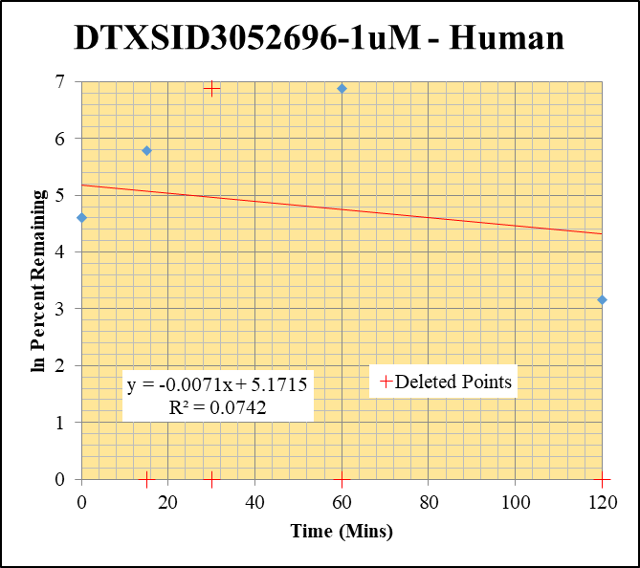
Blank_Human___1_____5P1_Inj 2021Feb19_EPA_5 | DTXSID3052696-1uM | 192.877 > 76.942 |  | 138545.094 | 0 |  |  |  | DTXSID3052696-1uM - Human | Time (Mins) | % Remaining Replica 1 | % Remaining Replica 2 | % Remaining Replica 3 | Average
Blank_Human___2_____5P1_Inj 2021Feb19_EPA_6 | DTXSID3052696-1uM | 192.877 > 76.942 | 2.682 | 97930.813 | 0.0000274 |  |  |  | Time (Mins) | 120 | -4.33% | 23.7% | -37164.29% | 23.7%
DTXSID3052696-1uM_Human__120_1_____5P1_Inj 2021Feb19_EPA_129 | DTXSID3052696-1uM | 192.877 > 76.942 |  | 111046.563 |  | -4.3313310149 | 120 |  | ln Percent Remaining | 60 | -4.33% | -16.81% | 979% | 979%
DTXSID3052696-1uM_Human__120_2_____5P1_Inj 2021Feb19_EPA_130 | DTXSID3052696-1uM | 192.877 > 76.942 | 3.181 | 96470.992 | 0.000033 | 23.680981595 | 120 | 3.1646722617 |  | 30 | -4.33% | -16.81% | 978.57%
DTXSID3052696-1uM_Human__120_3_____5P1_Inj 2021Feb19_EPA_131 | DTXSID3052696-1uM | 192.877 > 76.942 | 52.529 | 98407.742 | 0.000534 | -37164.285714 | 120 |  |  | 15 | -4.33% | 326% | -34021.43% | 326%
DTXSID3052696-1uM_Human__60_1_____5P2_Inj 2021Feb19_EPA_132 | DTXSID3052696-1uM | 192.877 > 76.942 |  | 100629.906 |  | -4.3313310149 | 60 |  |  | 0 | 100% | 100% | 100% | 100%
DTXSID3052696-1uM_Human__60_2_____5P2_Inj 2021Feb19_EPA_133 | DTXSID3052696-1uM | 192.877 > 76.942 |  | 89453.539 |  | -16.809815951 | 60
DTXSID3052696-1uM_Human__60_3_____5P2_Inj 2021Feb19_EPA_134 | DTXSID3052696-1uM | 192.877 > 76.942 |  | 86928.258 |  | 978.57142857 | 60 | 6.8860937822 |  | Slope | -0.00706
DTXSID3052696-1uM_Human__30_1_____5P3_Inj 2021Feb19_EPA_135 | DTXSID3052696-1uM | 192.877 > 76.942 |  | 330.483 |  | -4.3313310149 | 30 |  |  | Intercept | 5.17
DTXSID3052696-1uM_Human__30_2_____5P3_Inj 2021Feb19_EPA_136 | DTXSID3052696-1uM | 192.877 > 76.942 |  | 189.443 |  | -16.809815951 | 30 |  |  | R2 | 0.0742
DTXSID3052696-1uM_Human__30_3_____5P3_Inj 2021Feb19_EPA_137 | DTXSID3052696-1uM | 192.877 > 76.942 |  | 66.996 |  | 978.57142857 | 30 | 6.886 |  | T½ (mins) | 98.1
DTXSID3052696-1uM_Human__15_1_____5P4_Inj 2021Feb19_EPA_138 | DTXSID3052696-1uM | 192.877 > 76.942 |  | 106877.75 |  | -4.3313310149 | 15 |  |  | CLint (µl/min/106 cells) | 14.1
DTXSID3052696-1uM_Human__15_2_____5P4_Inj 2021Feb19_EPA_139 | DTXSID3052696-1uM | 192.877 > 76.942 | 28.023 | 100473.875 | 0.000279 | 325.52147239 | 15 | 5.7854284269 |  | Comments | Points Deleted: (120,) (120,) (60,) (60,) (30,) (30,) (30,6.8860) (15,) (15,)
DTXSID3052696-1uM_Human__15_3_____5P4_Inj 2021Feb19_EPA_140 | DTXSID3052696-1uM | 192.877 > 76.942 | 48.805 | 99595.453 | 0.00049 | -34021.428571 | 15
DTXSID3052696-1uM_Human__0_1_____5P5_Inj 2021Feb19_EPA_141 | DTXSID3052696-1uM | 192.877 > 76.942 | 31.507 | 95386.211 | 0.00033 | 100 | 0 | 4.605170186
DTXSID3052696-1uM_Human__0_2_____5P5_Inj 2021Feb19_EPA_142 | DTXSID3052696-1uM | 192.877 > 76.942 | 9.486 | 99626.688 | 0.0000952 | 100 | 0 | 4.605170186
DTXSID3052696-1uM_Human__0_3_____5P5_Inj 2021Feb19_EPA_143 | DTXSID3052696-1uM | 192.877 > 76.942 | 1.3 | 105594.945 | 0.0000123 | 100 | 0 | 4.605170186

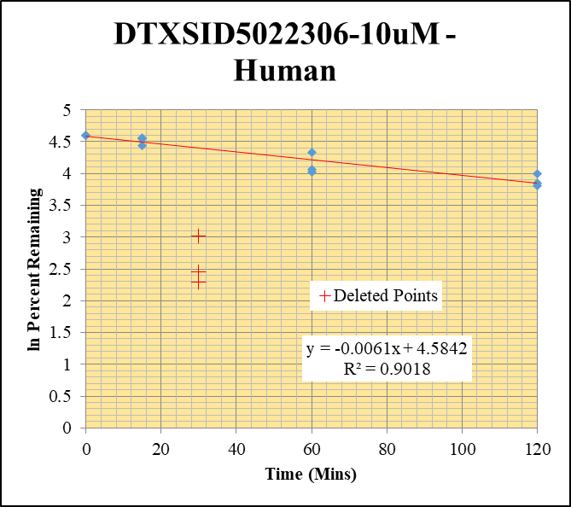
Blank_Human___1_____5P1_Inj 2021Feb19_EPA_5 | DTXSID5022306-10uM | 258.94 > 88.767 |  | 138545.094 | 0 |  |  |  | DTXSID5022306-10uM - Human | Time (Mins) | % Remaining Replica 1 | % Remaining Replica 2 | % Remaining Replica 3 | Average
Blank_Human___2_____5P1_Inj 2021Feb19_EPA_6 | DTXSID5022306-10uM | 258.94 > 88.767 |  | 97930.813 | 0 |  |  |  | Time (Mins) | 120 | 45.3% | 54.5% | 46.8% | 48.9%
DTXSID5022306-10uM_Human__120_1_____5P1_Inj 2021Feb19_EPA_549 | DTXSID5022306-10uM | 258.94 > 88.767 | 85041.805 | 48494.52 | 1.75 | 45.336787565 | 120 | 3.8141187904 | ln Percent Remaining | 60 | 58.3% | 76.4% | 56.2% | 63.6%
DTXSID5022306-10uM_Human__120_2_____5P1_Inj 2021Feb19_EPA_550 | DTXSID5022306-10uM | 258.94 > 88.767 | 104727.227 | 45347.156 | 2.31 | 54.481132075 | 120 | 3.9978544413 |  | 30 | 20.44% | 9.88% | 11.58%
DTXSID5022306-10uM_Human__120_3_____5P1_Inj 2021Feb19_EPA_551 | DTXSID5022306-10uM | 258.94 > 88.767 | 94573.938 | 51445.164 | 1.84 | 46.819338422 | 120 | 3.8462963317 |  | 15 | 95.1% | 93.9% | 84.5% | 91.1%
DTXSID5022306-10uM_Human__60_1_____5P2_Inj 2021Feb19_EPA_552 | DTXSID5022306-10uM | 258.94 > 88.767 | 100695.344 | 44680.988 | 2.25 | 58.29015544 | 60 | 4.0654332187 |  | 0 | 100% | 100% | 100% | 100%
DTXSID5022306-10uM_Human__60_2_____5P2_Inj 2021Feb19_EPA_553 | DTXSID5022306-10uM | 258.94 > 88.767 | 140110.672 | 43199.844 | 3.24 | 76.41509434 | 60 | 4.3361802465
DTXSID5022306-10uM_Human__60_3_____5P2_Inj 2021Feb19_EPA_554 | DTXSID5022306-10uM | 258.94 > 88.767 | 91742.461 | 41487.105 | 2.21 | 56.234096692 | 60 | 4.0295232756 |  | Slope | -0.00611
DTXSID5022306-10uM_Human__30_1_____5P3_Inj 2021Feb19_EPA_555 | DTXSID5022306-10uM | 258.94 > 88.767 | 215.255 | 272.843 | 0.789 | 20.440414508 | 30 | 3.018 |  | Intercept | 4.58
DTXSID5022306-10uM_Human__30_2_____5P3_Inj 2021Feb19_EPA_556 | DTXSID5022306-10uM | 258.94 > 88.767 | 68.351 | 163.3 | 0.419 | 9.8820754717 | 30 | 2.291 |  | R2 | 0.9018
DTXSID5022306-10uM_Human__30_3_____5P3_Inj 2021Feb19_EPA_557 | DTXSID5022306-10uM | 258.94 > 88.767 | 53.693 | 118.042 | 0.455 | 11.577608142 | 30 | 2.449 |  | T½ (mins) | 113
DTXSID5022306-10uM_Human__15_1_____5P4_Inj 2021Feb19_EPA_558 | DTXSID5022306-10uM | 258.94 > 88.767 | 198245.516 | 54089.043 | 3.67 | 95.077720207 | 15 | 4.5546946646 |  | CLint (µl/min/106 cells) | 12.21
DTXSID5022306-10uM_Human__15_2_____5P4_Inj 2021Feb19_EPA_559 | DTXSID5022306-10uM | 258.94 > 88.767 | 176319.672 | 44272.977 | 3.98 | 93.867924528 | 15 | 4.541888736 |  | Comments | Points Deleted: (30,3.0180) (30,2.2910) (30,2.4490)
DTXSID5022306-10uM_Human__15_3_____5P4_Inj 2021Feb19_EPA_560 | DTXSID5022306-10uM | 258.94 > 88.767 | 157901.172 | 47626.723 | 3.32 | 84.478371501 | 15 | 4.436495543
DTXSID5022306-10uM_Human__0_1_____5P5_Inj 2021Feb19_EPA_561 | DTXSID5022306-10uM | 258.94 > 88.767 | 189698.75 | 49176.973 | 3.86 | 100 | 0 | 4.605170186
DTXSID5022306-10uM_Human__0_2_____5P5_Inj 2021Feb19_EPA_562 | DTXSID5022306-10uM | 258.94 > 88.767 | 185838.359 | 43819.688 | 4.24 | 100 | 0 | 4.605170186
DTXSID5022306-10uM_Human__0_3_____5P5_Inj 2021Feb19_EPA_563 | DTXSID5022306-10uM | 258.94 > 88.767 | 290177.938 | 73795.469 | 3.93 | 100 | 0 | 4.605170186

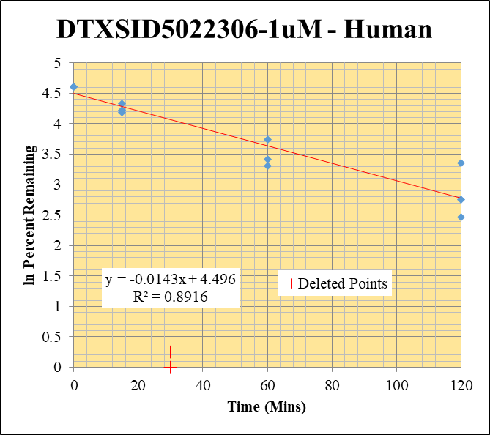
Blank_Human___1_____5P1_Inj 2021Feb19_EPA_5 | DTXSID5022306-1uM | 258.94 > 88.767 |  | 138545.094 | 0 |  |  |  | DTXSID5022306-1uM - Human | Time (Mins) | % Remaining Replica 1 | % Remaining Replica 2 | % Remaining Replica 3 | Average
Blank_Human___2_____5P1_Inj 2021Feb19_EPA_6 | DTXSID5022306-1uM | 258.94 > 88.767 |  | 97930.813 | 0 |  |  |  | Time (Mins) | 120 | 28.7% | 15.8% | 11.8% | 18.8%
DTXSID5022306-1uM_Human__120_1_____5P1_Inj 2021Feb19_EPA_529 | DTXSID5022306-1uM | 258.94 > 88.767 | 9162.882 | 56699.047 | 0.162 | 28.723404255 | 120 | 3.3577122697 | ln Percent Remaining | 60 | 42.2% | 27.3% | 30.5% | 33.3%
DTXSID5022306-1uM_Human__120_2_____5P1_Inj 2021Feb19_EPA_530 | DTXSID5022306-1uM | 258.94 > 88.767 | 4454.295 | 54285.531 | 0.0821 | 15.788461538 | 120 | 2.7592793909 |  | 30 | 0.00% | 1.29% | 0.00%
DTXSID5022306-1uM_Human__120_3_____5P1_Inj 2021Feb19_EPA_531 | DTXSID5022306-1uM | 258.94 > 88.767 | 2076.837 | 55004.922 | 0.0378 | 11.849529781 | 120 | 2.4722881858 |  | 15 | 67.9% | 65.8% | 75.5% | 69.7%
DTXSID5022306-1uM_Human__60_1_____5P2_Inj 2021Feb19_EPA_532 | DTXSID5022306-1uM | 258.94 > 88.767 | 12072.238 | 50720.875 | 0.238 | 42.19858156 | 60 | 3.7423866082 |  | 0 | 100% | 100% | 100% | 100%
DTXSID5022306-1uM_Human__60_2_____5P2_Inj 2021Feb19_EPA_533 | DTXSID5022306-1uM | 258.94 > 88.767 | 6829.354 | 47989.879 | 0.142 | 27.307692308 | 60 | 3.307168432
DTXSID5022306-1uM_Human__60_3_____5P2_Inj 2021Feb19_EPA_534 | DTXSID5022306-1uM | 258.94 > 88.767 | 5061.921 | 51979.383 | 0.0974 | 30.532915361 | 60 | 3.4188052939 |  | Slope | -0.0143
DTXSID5022306-1uM_Human__30_1_____5P3_Inj 2021Feb19_EPA_535 | DTXSID5022306-1uM | 258.94 > 88.767 |  | 257.551 |  | 0 | 30 |  |  | Intercept | 4.50
DTXSID5022306-1uM_Human__30_2_____5P3_Inj 2021Feb19_EPA_536 | DTXSID5022306-1uM | 258.94 > 88.767 | 1.165 | 173.592 | 0.00671 | 1.2903846154 | 30 | 0.255 |  | R2 | 0.892
DTXSID5022306-1uM_Human__30_3_____5P3_Inj 2021Feb19_EPA_537 | DTXSID5022306-1uM | 258.94 > 88.767 | 3.907 |  |  | 0 | 30 |  |  | T½ (mins) | 48.6
DTXSID5022306-1uM_Human__15_1_____5P4_Inj 2021Feb19_EPA_538 | DTXSID5022306-1uM | 258.94 > 88.767 | 21519.338 | 56120.598 | 0.383 | 67.907801418 | 15 | 4.2181509237 |  | CLint (µl/min/106 cells) | 28.5
DTXSID5022306-1uM_Human__15_2_____5P4_Inj 2021Feb19_EPA_539 | DTXSID5022306-1uM | 258.94 > 88.767 | 17425.285 | 50950.402 | 0.342 | 65.769230769 | 15 | 4.1861521115 |  | Comments | Points Deleted: (30,) (30,0.2550) (30,)
DTXSID5022306-1uM_Human__15_3_____5P4_Inj 2021Feb19_EPA_540 | DTXSID5022306-1uM | 258.94 > 88.767 | 14128.254 | 58589.504 | 0.241 | 75.548589342 | 15 | 4.3247760167
DTXSID5022306-1uM_Human__0_1_____5P5_Inj 2021Feb19_EPA_541 | DTXSID5022306-1uM | 258.94 > 88.767 | 29789.602 | 52786.914 | 0.564 | 100 | 0 | 4.605170186
DTXSID5022306-1uM_Human__0_2_____5P5_Inj 2021Feb19_EPA_542 | DTXSID5022306-1uM | 258.94 > 88.767 | 27559.082 | 52970.688 | 0.52 | 100 | 0 | 4.605170186
DTXSID5022306-1uM_Human__0_3_____5P5_Inj 2021Feb19_EPA_543 | DTXSID5022306-1uM | 258.94 > 88.767 | 16488.723 | 51743.281 | 0.319 | 100 | 0 | 4.605170186

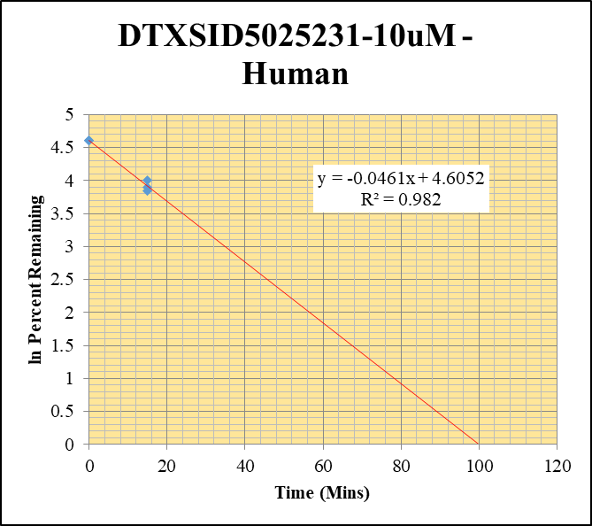
Blank_Human___1_____5P1_Inj 2021Feb19_EPA_5 | DTXSID5025231-10uM | 268.875 > 224.796 | 0.85 | 138545.094 | 0.00000614 |  |  |  | DTXSID5025231-10uM - Human | Time (Mins) | % Remaining Replica 1 | % Remaining Replica 2 | % Remaining Replica 3 | Average
Blank_Human___2_____5P1_Inj 2021Feb19_EPA_6 | DTXSID5025231-10uM | 268.875 > 224.796 |  | 97930.813 | 0 |  |  |  | Time (Mins) | 120 | 0.21% | 0.00948% | 0.00% | 0.00948%
DTXSID5025231-10uM_Human__120_1_____5P1_Inj 2021Feb19_EPA_229 | DTXSID5025231-10uM | 268.875 > 224.796 | 70.551 | 104661.258 | 0.00067408897378 | 0.21101429306 | 120 |  | ln Percent Remaining | 60 | 0.398% | 0.00520% | 0.0445% | 0.149%
DTXSID5025231-10uM_Human__120_2_____5P1_Inj 2021Feb19_EPA_230 | DTXSID5025231-10uM | 268.875 > 224.796 | 3.021 | 100374.789 | 0.0000301 | 0.0094843126907 | 120 | -4.658116141 |  | 30 | 0.00% | 0.00% | 0.00%
DTXSID5025231-10uM_Human__120_3_____5P1_Inj 2021Feb19_EPA_231 | DTXSID5025231-10uM | 268.875 > 224.796 |  | 98695.922 |  | -0.0011899366399 | 120 |  |  | 15 | 54.7% | 46.7% | 49.2% | 50.2%
DTXSID5025231-10uM_Human__60_1_____5P2_Inj 2021Feb19_EPA_232 | DTXSID5025231-10uM | 268.875 > 224.796 | 119.755 | 94470.82 | 0.00127 | 0.39840950666 | 60 | -0.92027489146 |  | 0 | 100% | 100% | 100% | 100%
DTXSID5025231-10uM_Human__60_2_____5P2_Inj 2021Feb19_EPA_233 | DTXSID5025231-10uM | 268.875 > 224.796 | 1.61 | 89930.109 | 0.0000179 | 0.0052035648244 | 60 | -5.2584113451
DTXSID5025231-10uM_Human__60_3_____5P2_Inj 2021Feb19_EPA_234 | DTXSID5025231-10uM | 268.875 > 224.796 | 11.334 | 96075.797 | 0.000118 | 0.044547041703 | 60 | -3.1112095312 |  | Slope | -0.0461
DTXSID5025231-10uM_Human__30_1_____5P3_Inj 2021Feb19_EPA_235 | DTXSID5025231-10uM | 268.875 > 224.796 |  | 220.123 |  | -0.00096541812526 | 30 |  |  | Intercept | 4.61
DTXSID5025231-10uM_Human__30_2_____5P3_Inj 2021Feb19_EPA_236 | DTXSID5025231-10uM | 268.875 > 224.796 |  | 125.224 |  | -0.001077204586 | 30 |  |  | R2 | 0.982
DTXSID5025231-10uM_Human__30_3_____5P3_Inj 2021Feb19_EPA_237 | DTXSID5025231-10uM | 268.875 > 224.796 |  | 98.464 |  | -0.0011899366399 | 30 |  |  | T½ (mins) | 15.04
DTXSID5025231-10uM_Human__15_1_____5P4_Inj 2021Feb19_EPA_238 | DTXSID5025231-10uM | 268.875 > 224.796 | 18124.502 | 103936.188 | 0.174 | 54.716543962 | 15 | 4.0021661127 |  | CLint (µl/min/106 cells) | 92
DTXSID5025231-10uM_Human__15_2_____5P4_Inj 2021Feb19_EPA_239 | DTXSID5025231-10uM | 268.875 > 224.796 | 12429.223 | 93137.617 | 0.133 | 46.666092158 | 15 | 3.843017823 |  | Comments
DTXSID5025231-10uM_Human__15_3_____5P4_Inj 2021Feb19_EPA_240 | DTXSID5025231-10uM | 268.875 > 224.796 | 12469.818 | 98171.727 | 0.127 | 49.224202009 | 15 | 3.8963854133
DTXSID5025231-10uM_Human__0_1_____5P5_Inj 2021Feb19_EPA_241 | DTXSID5025231-10uM | 268.875 > 224.796 | 31055.07 | 97796.375 | 0.318 | 100 | 0 | 4.605170186
DTXSID5025231-10uM_Human__0_2_____5P5_Inj 2021Feb19_EPA_242 | DTXSID5025231-10uM | 268.875 > 224.796 | 26512.174 | 93117.375 | 0.285 | 100 | 0 | 4.605170186
DTXSID5025231-10uM_Human__0_3_____5P5_Inj 2021Feb19_EPA_243 | DTXSID5025231-10uM | 268.875 > 224.796 | 27320.008 | 105903.781 | 0.258 | 100 | 0 | 4.605170186

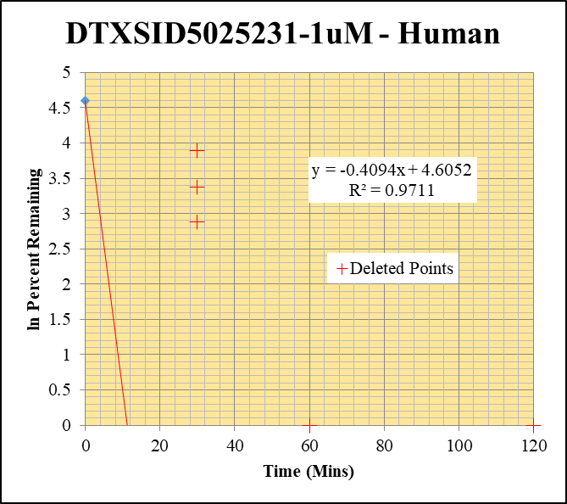
Blank_Human___1_____5P1_Inj 2021Feb19_EPA_5 | DTXSID5025231-1uM | 268.875 > 224.796 | 0.85 | 138545.094 | 0.00000614 |  |  |  | DTXSID5025231-1uM - Human | Time (Mins) | % Remaining Replica 1 | % Remaining Replica 2 | % Remaining Replica 3 | Average
Blank_Human___2_____5P1_Inj 2021Feb19_EPA_6 | DTXSID5025231-1uM | 268.875 > 224.796 |  | 97930.813 | 0 |  |  |  | Time (Mins) | 120 | 0.00% | 0.0289% | -0.01% | 0.0289%
DTXSID5025231-1uM_Human__120_1_____5P1_Inj 2021Feb19_EPA_209 | DTXSID5025231-1uM | 268.875 > 224.796 | 0.169 | 116278.438 | 0.00000145 | -0.0034841009933 | 120 |  | ln Percent Remaining | 60 | -0.01% | 0.00122% | -0.01% | 0.00122%
DTXSID5025231-1uM_Human__120_2_____5P1_Inj 2021Feb19_EPA_210 | DTXSID5025231-1uM | 268.875 > 224.796 | 1.887 | 97398.898 | 0.0000194 | 0.028853155109 | 120 | -3.5455359295 |  | 30 | 17.78% | 49.11% | 29.28%
DTXSID5025231-1uM_Human__120_3_____5P1_Inj 2021Feb19_EPA_211 | DTXSID5025231-1uM | 268.875 > 224.796 |  | 92943.195 |  | -0.0059155714991 | 120 |  |  | 15 | 0.0775% | 0.281% | 0.458% | 0.272%
DTXSID5025231-1uM_Human__60_1_____5P2_Inj 2021Feb19_EPA_212 | DTXSID5025231-1uM | 268.875 > 224.796 |  | 101911.414 |  | -0.0066025864503 | 60 |  |  | 0 | 100% | 100% | 100% | 100%
DTXSID5025231-1uM_Human__60_2_____5P2_Inj 2021Feb19_EPA_213 | DTXSID5025231-1uM | 268.875 > 224.796 | 0.352 | 93619.258 | 0.00000376 | 0.001219147399 | 60 | -6.7096035178
DTXSID5025231-1uM_Human__60_3_____5P2_Inj 2021Feb19_EPA_214 | DTXSID5025231-1uM | 268.875 > 224.796 |  | 90844.219 |  | -0.0059155714991 | 60 |  |  | Slope | -0.4094
DTXSID5025231-1uM_Human__30_1_____5P3_Inj 2021Feb19_EPA_215 | DTXSID5025231-1uM | 268.875 > 224.796 | 1.436 | 173.661 | 0.00827 | 17.779517917 | 30 | 2.878 |  | Intercept | 4.61
DTXSID5025231-1uM_Human__30_2_____5P3_Inj 2021Feb19_EPA_216 | DTXSID5025231-1uM | 268.875 > 224.796 | 2.599 | 93.576 | 0.0278 | 49.113847695 | 30 | 3.894 |  | R2 | 0.971
DTXSID5025231-1uM_Human__30_3_____5P3_Inj 2021Feb19_EPA_217 | DTXSID5025231-1uM | 268.875 > 224.796 | 3.572 | 234.871 | 0.0152 | 29.282907486 | 30 | 3.377 |  | T½ (mins) | 1.7
DTXSID5025231-1uM_Human__15_1_____5P4_Inj 2021Feb19_EPA_218 | DTXSID5025231-1uM | 268.875 > 224.796 | 4.078 | 104202.289 | 0.0000391 | 0.077488986907 | 15 | -2.5576194571 |  | CLint (µl/min/106 cells) | 819
DTXSID5025231-1uM_Human__15_2_____5P4_Inj 2021Feb19_EPA_219 | DTXSID5025231-1uM | 268.875 > 224.796 | 16.803 | 103749.805 | 0.000162 | 0.28081028423 | 15 | -1.2700759827 |  | Comments | Points Deleted: (120,) (120,) (60,) (60,) (30,2.8780) (30,3.8940) (30,3.3770)
DTXSID5025231-1uM_Human__15_3_____5P4_Inj 2021Feb19_EPA_220 | DTXSID5025231-1uM | 268.875 > 224.796 | 23.914 | 99121.453 | 0.000241 | 0.45846642566 | 15 | -0.77986821644
DTXSID5025231-1uM_Human__0_1_____5P5_Inj 2021Feb19_EPA_221 | DTXSID5025231-1uM | 268.875 > 224.796 | 4403.363 | 94744.07 | 0.0465 | 100 | 0 | 4.605170186
DTXSID5025231-1uM_Human__0_2_____5P5_Inj 2021Feb19_EPA_222 | DTXSID5025231-1uM | 268.875 > 224.796 | 5894.164 | 104136.484 | 0.0566 | 100 | 0 | 4.605170186
DTXSID5025231-1uM_Human__0_3_____5P5_Inj 2021Feb19_EPA_223 | DTXSID5025231-1uM | 268.875 > 224.796 | 5099.96 | 98177.195 | 0.0519 | 100 | 0 | 4.605170186

